Cheesling Fries
Manual(Kitchen)
Name | Cheesling Fries
Picture | 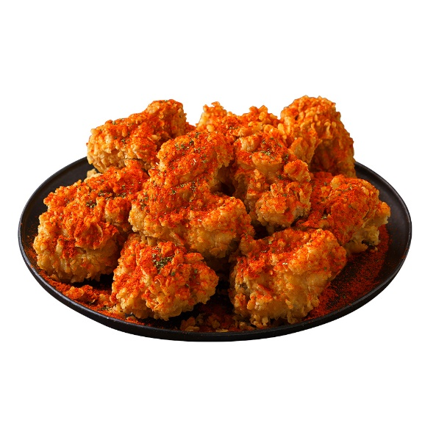 |  |  |  |  |  | Item List

Ingredients Composition | No. | Ingredients |  | Weight | Unit | Purchase | Others
 | 1 | French Fries |  | 250 | g | HQ | Local
 | 2 | Salt |  |  | g | HQ | Local
 | 3 | Parsley Flake |  |  | g | HQ | Local
 | 4 | Cheesling Powder |  | 15 | g | HQ | Local
 | 5 | Canola Oil |  | 105 | g | HQ | Local
 | 6
 | 7
 | 8
 | 9
 | 10
 | 11
 | 12
 | 13
 | 14
 | 15
 | 16
BBQ CANADA
COOKING METHOD
PROCESS |  |  | MANUAL
Process 1 Process 2 Process 3 Process 4 |  |  | 【Process 1】 ▶Prepare all ingredients before start. 【Process 2】 ▶Deep fry 350g of frozen french fries for 4 minutes at 165℃/329℉. ▶After 4minutes, Drip the oil for 30 seconds. ▶Season with salt and parsley flake. 【Process 3】 ▶Put 21g cheesling powder on fries then mix. 【Process 4】 ▶After plating on the bowl finish with spirnkle of cheesling powder ▶on top of the fries.

BBQ CANADA

